All NarrativesQuality-Count
Narrative Title | Expert | Narrative Type | The introduction text in the video narrative gives a clear idea of the aim of the narrative. | All video segments clearly link to the health related quality of life areas mentioned in the introduction. | The descriptions which introduce each video segment provide a useful summary. | All video segments provide relevant content for health related quality of life areas. | The concluding text at the end of the video narrative provides appropriate summary. | This video narrative is useful for raising awareness of quality of life needs of patients living with chronic respiratory illnesses. | Median | Varince | AVG
Video Narrative: Linking Personal Values and Beliefs to Psychological Health | E1 | CO | 4 | 3 | 4 | 4 | 4 | 5 | 4 | 0.4 | 4.0
Video Narrative: Linking Level Of Independence to Psychological Health | E1 | CO | 2 | 3 | 3 | 2 | 2 | 3 | 2.5 | 0.3 | 2.5
Video Narrative: Linking Social Relationship to Psychological Health | E1 | CO | 5 | 5 | 5 | 5 | 5 | 5 | 5 | 0.0 | 5.0
Video Narrative: Linking Level Of Independence to Social Relationship | E1 | CO | 4 | 3 | 3 | 4 | 4 | 5 | 4 | 0.6 | 3.8
Video Narrative: Linking Personal Values and Beliefs to Psychological Health | E2 | CO | 4 | 3 | 3 | 2 | 3 | 3 | 3 | 0.4 | 3.0
Video Narrative: Linking Level Of Independence to Psychological Health | E2 | CO | 2 | 3 | 2 | 3 | 3 | 4 | 3 | 0.6 | 2.8
Video Narrative: Linking Social Relationship to Psychological Health | E2 | CO | 5 | 4 | 4 | 5 | 4 | 5 | 4.5 | 0.3 | 4.5
Video Narrative: Linking Level Of Independence to Social Relationship | E2 | CO | 3 | 4 | 2 | 4 | 4 | 5 | 4 | 1.1 | 3.7
Video Narrative: Linking Personal Values and Beliefs to Psychological Health | E3 | CO | 4 | 5 | 4 | 5 | 4 | 5 | 4.5 | 0.3 | 4.5
Video Narrative: Linking Level Of Independence to Psychological Health | E3 | CO | 4 | 5 | 4 | 5 | 4 | 5 | 4.5 | 0.3 | 4.5
Video Narrative: Linking Social Relationship to Psychological Health | E3 | CO | 4 | 5 | 5 | 5 | 4 | 5 | 5 | 0.3 | 4.7
Video Narrative: Linking Level Of Independence to Social Relationship | E3 | CO | 5 | 5 | 5 | 5 | 5 | 5 | 5 | 0.0 | 5.0
Video Narrative: Physical Health to Environment | E4 | CO | 5 | 5 | 5 | 4 | 4 | 3 | 4.5 | 0.7 | 4.3
Video Narrative: Linking Social Relationship to Physical Health | E4 | CO | 5 | 5 | 4 | 5 | 4 | 5 | 5 | 0.3 | 4.7
Video Narrative: Linking Physical Health to Psychological Health | E4 | CO | 3 | 2 | 4 | 2 | 3 | 4 | 3 | 0.8 | 3.0
Video Narrative: Linking Physical Health to Level of Independence | E4 | CO | 2 | 2 | 3 | 2 | 2 | 3 | 2 | 0.3 | 2.3
Video Narrative: Linking Level of Independence to Environment | E4 | CO | 3 | 3 | 3 | 2 | 3 | 2 | 3 | 0.3 | 2.7
Video Narrative: Physical Health to Environment | E5 | CO | 4 | 5 | 4 | 5 | 2 | 5 | 4.5 | 1.4 | 4.2
Video Narrative: Linking Social Relationship to Physical Health | E5 | CO | 5 | 4 | 3 | 4 | 4 | 5 | 4 | 0.6 | 4.2
Video Narrative: Linking Physical Health to Psychological Health | E5 | CO | 5 | 4 | 2 | 4 | 5 | 5 | 4.5 | 1.4 | 4.2
Video Narrative: Linking Physical Health to Level of Independence | E5 | CO | 5 | 4 | 3 | 3 | 3 | 4 | 3.5 | 0.7 | 3.7
Video Narrative: Linking Level of Independence to Environment | E5 | CO | 4 | 3 | 3 | 2 | 4 | 1 | 3 | 1.4 | 2.8
Video Narrative: Physical Health to Environment | E6 | CO | 5 | 5 | 4 | 5 | 4 | 5 | 5 | 0.3 | 4.7
Video Narrative: Linking Social Relationship to Physical Health | E6 | CO | 4 | 5 | 5 | 5 | 4 | 5 | 5 | 0.3 | 4.7
Video Narrative: Linking Physical Health to Psychological Health | E6 | CO | 4 | 5 | 4 | 5 | 5 | 5 | 5 | 0.3 | 4.7
Video Narrative: Linking Physical Health to Level of Independence | E6 | CO | 4 | 4 | 4 | 5 | 5 | 5 | 4.5 | 0.3 | 4.5
Video Narrative: Linking Level of Independence to Environment | E6 | CO | 5 | 5 | 5 | 5 | 5 | 5 | 5 | 0.0 | 5.0
Video Narrative: become aware of Caregiver by linking it to similar concepts from the topic Social Relationship | E1 | CR | 2 | 4 | 3 | 4 | 4 | 4 | 4 | 0.7 | 3.5
Video Narrative: become aware of the concept Fear by linking it to similar concepts from the topic Psychological Health | E1 | CR | 4 | 4 | 5 | 5 | 5 | 5 | 5 | 0.3 | 4.7
Video Narrative: become aware of the concept Shortness Of Breath by linking it to similar concepts from the topic Physical Health | E1 | CR | 5 | 5 | 5 | 5 | 5 | 5 | 5 | 0.0 | 5.0
Video Narrative: become aware of the concept Exercise by linking it to similar concepts from the topic Environment | E1 | CR | 5 | 5 | 5 | 5 | 5 | 5 | 5 | 0.0 | 5.0
Video Narrative: become aware of the concept Meditation by linking it to similar concepts from the topic Personal Values and Beliefs | E1 | CR | 4 | 2 | 3 | 2 | 3 | 4 | 3 | 0.8 | 3.0
Video Narrative: become aware of the concept Drug by linking it to similar concepts from the topic Physical Health | E1 | CR | 4 | 4 | 5 | 5 | 5 | 5 | 5 | 0.3 | 4.7
Video Narrative: become aware of Caregiver by linking it to similar concepts from the topic Social Relationship | E2 | CR | 4 | 5 | 5 | 4 | 4 | 5 | 4.5 | 0.3 | 4.5
Video Narrative: become aware of the concept Fear by linking it to similar concepts from the topic Psychological Health | E2 | CR | 4 | 4 | 5 | 5 | 5 | 5 | 5 | 0.3 | 4.7
Video Narrative: become aware of the concept Shortness Of Breath by linking it to similar concepts from the topic Physical Health | E2 | CR | 4 | 5 | 5 | 4 | 4 | 5 | 4.5 | 0.3 | 4.5
Video Narrative: become aware of the concept Exercise by linking it to similar concepts from the topic Environment | E2 | CR | 3 | 3 | 3 | 4 | 4 | 4 | 3.5 | 0.3 | 3.5
Video Narrative: become aware of the concept Meditation by linking it to similar concepts from the topic Personal Values and Beliefs | E2 | CR | 3 | 4 | 3 | 4 | 3 | 5 | 3.5 | 0.7 | 3.7
Video Narrative: become aware of the concept Drug by linking it to similar concepts from the topic Physical Health | E2 | CR | 4 | 4 | 4 | 4 | 4 | 5 | 4 | 0.2 | 4.2
Video Narrative: become aware of Caregiver by linking it to similar concepts from the topic Social Relationship | E3 | CR | 5 | 5 | 5 | 5 | 4 | 5 | 5 | 0.2 | 4.8
Video Narrative: become aware of the concept Fear by linking it to similar concepts from the topic Psychological Health | E3 | CR | 5 | 5 | 5 | 5 | 4 | 5 | 5 | 0.2 | 4.8
Video Narrative: become aware of the concept Shortness Of Breath by linking it to similar concepts from the topic Physical Health | E3 | CR | 5 | 5 | 5 | 5 | 4 | 5 | 5 | 0.2 | 4.8
Video Narrative: become aware of the concept Exercise by linking it to similar concepts from the topic Environment | E3 | CR | 5 | 5 | 5 | 5 | 4 | 5 | 5 | 0.2 | 4.8
Video Narrative: become aware of the concept Meditation by linking it to similar concepts from the topic Personal Values and Beliefs | E3 | CR | 5 | 5 | 5 | 5 | 4 | 5 | 5 | 0.2 | 4.8
Video Narrative: become aware of the concept Drug by linking it to similar concepts from the topic Physical Health | E3 | CR | 5 | 4 | 5 | 4 | 4 | 5 | 4.5 | 0.3 | 4.5
Video Narrative: become aware of Thinking by linking it to similar concepts from the topic Psychological Health | E4 | CR | 4 | 3 | 3 | 3 | 3 | 4 | 3 | 0.3 | 3.3
Video Narrative: become aware of the concept Treatment by linking it to similar concepts from the topic Level of Independence | E4 | CR | 3 | 2 | 3 | 2 | 4 | 4 | 3 | 0.8 | 3.0
Video Narrative: become aware of the concept Lung Cancer by linking it to similar concepts from the topic Physical Health | E4 | CR | 5 | 5 | 4 | 5 | 5 | 4 | 5 | 0.3 | 4.7
Video Narrative: become aware of the concept Energy by linking it to similar concepts from the topic Physical Health | E4 | CR | 5 | 4 | 5 | 5 | 5 | 4 | 5 | 0.3 | 4.7
Video Narrative: become aware of the concept Insurance by linking it to similar concepts from the topic Level of Independence | E4 | CR | 3 | 3 | 4 | 4 | 2 | 3 | 3 | 0.6 | 3.2
Video Narrative: become aware of the concept Pneumonia by linking it to similar concepts from the topic Physical Health | E4 | CR | 2 | 4 | 5 | 5 | 2 | 4 | 4 | 1.9 | 3.7
Video Narrative: become aware of the concept Cough by linking it to similar concepts from the topic Physical Health | E4 | CR | 3 | 5 | 4 | 4 | 5 | 4 | 4 | 0.6 | 4.2
Video Narrative: become aware of Thinking by linking it to similar concepts from the topic Psychological Health | E5 | CR | 5 | 4 | 4 | 5 | 5 | 4 | 4.5 | 0.3 | 4.5
Video Narrative: become aware of the concept Treatment by linking it to similar concepts from the topic Level of Independence | E5 | CR | 4 | 4 | 5 | 4 | 3 | 4 | 4 | 0.4 | 4.0
Video Narrative: become aware of the concept Lung Cancer by linking it to similar concepts from the topic Physical Health | E5 | CR | 5 | 4 | 5 | 3 | 5 | 5 | 5 | 0.7 | 4.5
Video Narrative: become aware of the concept Energy by linking it to similar concepts from the topic Physical Health | E5 | CR | 5 | 5 | 4 | 5 | 4 | 5 | 5 | 0.3 | 4.7
Video Narrative: become aware of the concept Insurance by linking it to similar concepts from the topic Level of Independence | E5 | CR | 5 | 2 | 4 | 5 | 4 | 5 | 4.5 | 1.4 | 4.2
...
Strongly agree
Agree
Neutral
Disagree
Strongly disagree
Overall- CO
Overall- CR
 |  | To Find the pie chart by counting how many 5s, 4s, 3s,2s,1s,of each question per narrative
 |  | Narrative type | Q1- different rank (from 5 to 1) | Q2- different ranks | Q3- different ranks | Q4- different ranks | Q5- different ranks | Q6 | AVG for overall quality
 |  | CO | 10 | 12 | 6 | 13 | 6 | 18 | 10.83
 |  |  | 11 | 6 | 10 | 6 | 13 | 3 | 8.17
 |  |  | 3 | 7 | 8 | 2 | 5 | 4 | 4.83
 |  |  | 3 | 2 | 3 | 6 | 3 | 1 | 3.00
 |  |  | 0 | 0 | 0 | 0 | 0 | 1 | 0.17

 |  | CR | 19 | 16 | 23 | 22 | 15 | 24 | 19.83
 |  |  | 13 | 14 | 9 | 11 | 17 | 14 | 13.00
 |  |  | 5 | 5 | 7 | 4 | 5 | 1 | 4.50
 |  |  | 2 | 4 | 0 | 2 | 2 | 0 | 1.67
Overall-D
Overall-S
 |  |  | 0 | 0 | 0 | 0 | 0 | 0 | 0.00

 |  | D | 3 | 3 | 0 | 5 | 0 | 7 | 3.00
 |  |  |  | 4 | 5 | 3 | 7 | 2 | 4.00
 |  |  |  | 1 | 3 | 1 | 1 | 0 | 1.33
 |  |  |  | 1 | 1 | 0 | 1 | 0 | 0.67
 |  |  |  | 0 | 0 | 0 | 0 | 0 | 0.00

Overll-All
 |  |  |  | 3 | 0 | 4 | 1 | 6 | 2.33
 |  |  |  | 6 | 7 | 5 | 6 | 3 | 5.50
 |  |  |  | 0 | 1 | 0 | 2 | 0 | 0.83
 |  |  | 1 | 0 | 1 | 0 | 0 | 0 | 0.33
 |  |  | 0 | 0 | 0 | 0 | 0 | 0 | 0.00

add the value of Strongly agree for CO with CR and so on. The second row will |  | All | 32 | 34 | 29 | 44 | 22 | 55 | 36.00
 |  |  | 33 | 30 | 31 | 25 | 43 | 22 | 30.67
 |  |  | 12 | 13 | 19 | 7 | 13 | 5 | 11.50
 |  |  | 7 | 7 | 5 | 8 | 6 | 1 | 5.67
 |  |  | 0 | 0 | 0 | 0 | 0 | 1 | 0.17

D-Q1
 | 3
 | 3
 | 2
 | 1
 | 0
S-Q1
 | 0
 | 6
 | 2
 | 1
 | 0
CO-Q1
All- Q1
CR-Q1

CO-Q2
All-Q2
CR-Q2
D-Q2
S-Q2

CR-Q3
CO-Q3
All-Q3
D-Q3
S-Q3

CR-Q4
CO-Q4
All-Q4
D-Q4
S-Q4

All-Q5
D-Q5
CO-Q5
CR-Q5
S-Q5

All-Q6
D-Q6
CO-Q6
CR-Q6
S-Q6

To Fix the Quality Figure
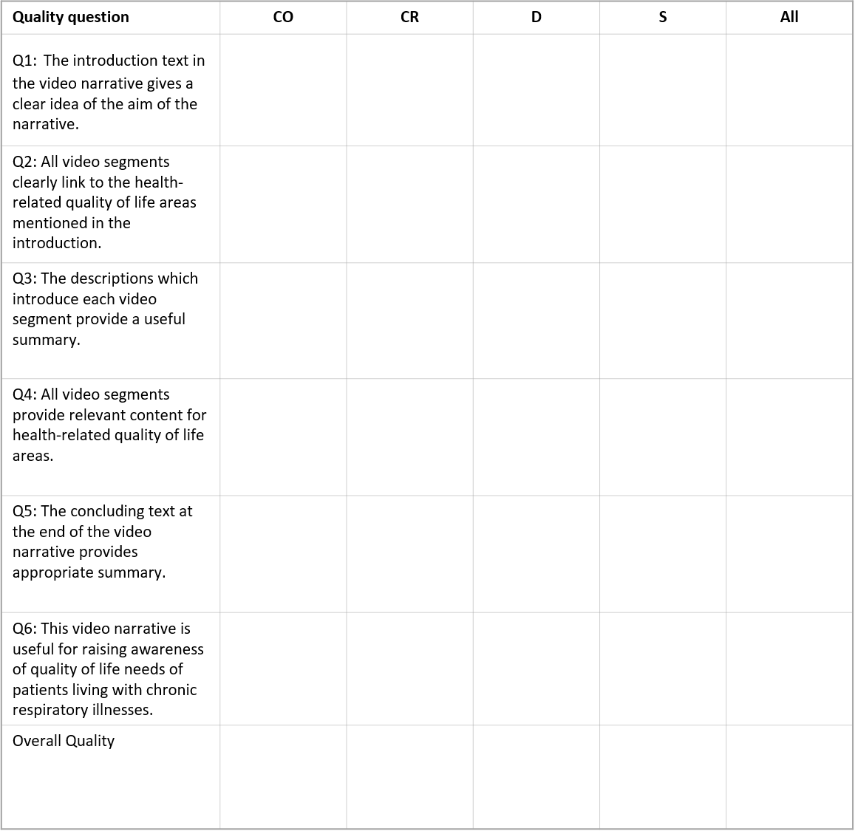

Strongly Agree
Agree
Neutral
Disagree
Strongly Disagree

AllNarratives-Usefullness-Raw
...
 | Combinational | Correlative | Derivative | Super Ordinate | All | Title of the table: Average scores from all narratives in each type, based on responses from all experts on the perceived usefulness of the individual narratives (1-Extremely unlikely, 7 Extremely likely). First value in each cell is the MEDIAN (AVG ,STDV).
 | 6 (5.83, 1.17) | 6.50(6.33,0.82) | 7(6.67, 0.58) | 7(6.67, 0.58) | 6.5(6.28, 0.87)
 | 6 (5.83,0.75) | 6(5.83,0.41) | 6(5.33,1.15) | 6(6,0) | 6(5.78, 0.63)
 | 6(6,0.89) | 6.50(6.50, 0.55) | 7(6.67, 0.58) | 7(6.67, 0.58) | 6.5(6.39, 0.68)
 | 6.5(6,1.26) | 6(5.83, 1.47) | 6(5.67,0.58) | 6(5.33,1.15) | 6(5.78, 1.13)
 | 5.75 (5.92, 0.65) | 6.25 (6.13, 0.44) | 6.50 (6.08, 0.72) | 6.50 (6.17, 0.58) | 6.13(6.06, 0.54)

Overall -CO
Overall-CR
 | Narrative Perceived usefulness per category
 | Narrative Type | PU1 | PU2 | PU3 | PU4 | Overall Usefullness
 | CO
7 |  | 2 | 1 | 2 | 3 | 2
6 |  | 2 | 3 | 2 | 1 | 2
5 |  | 1 | 2 | 2 | 1 | 1.5
4 |  | 1 | 0 | 0 | 1 | 0.5
3 |  | 0 | 0 | 0 | 0 | 0
2 |  | 0 | 0 | 0 | 0 | 0
1 |  | 0 | 0 | 0 | 0 | 0
 | CR | 3 | 0 | 3 | 2 | 2
Overall-D
Overall-S
 |  | 2 | 5 | 3 | 3 | 3.25
Extremely likely
 |  | 1 | 1 | 0 | 0 | 0.5
 |  | 0 | 0 | 0 | 0 | 0
Quite likely
 |  | 0 | 0 | 0 | 1 | 0.25
 |  | 0 | 0 | 0 | 0 | 0
Slightly likely
 |  | 0 | 0 | 0 | 0 | 0
 | D | 2 | 0 | 2 | 0 | 1
Neutral
 |  | 1 | 2 | 1 | 2 | 1.5
 |  | 0 | 0 | 0 | 1 | 0.25
 |  | 0 | 1 | 0 | 0 | 0.25
Slightly unlikely
 |  | 0 | 0 | 0 | 0 | 0
Quite unlikely
Overall-All
 |  | 0 | 0 | 0 | 0 | 0
 |  | 0 | 0 | 0 | 0 | 0
 | S | 2 | 0 | 2 | 0 | 1
Extremely unlikely
 |  | 1 | 3 | 1 | 2 | 1.75
 |  | 0 | 0 | 0 | 0 | 0
 |  | 0 | 0 | 0 | 1 | 0.25
 |  | 0 | 0 | 0 | 0 | 0
 |  | 0 | 0 | 0 | 0 | 0
 |  | 0 | 0 | 0 | 0 | 0
 | All | 9 | 1 | 9 | 5 | 6
 |  | 6 | 13 | 7 | 8 | 8.5
 |  | 2 | 3 | 2 | 2 | 2.25
 |  | 1 | 1 | 0 | 2 | 1
 |  | 0 | 0 | 0 | 1 | 0.25
 |  | 0 | 0 | 0 | 0 | 0
 |  | 0 | 0 | 0 | 0 | 0

CR-PU1
CR-PU2
CR-PU3
CR-PU4
CO-PU1

D-PU1
D-PU2
D-PU3
D-PU4
CO-PU2

S-PU1
S-PU2
S-PU3
S-PU4
CO-PU3

ALL-PU1
All-PU2
All-PU3
All-PU4
CO-PU4

Cognitive load(Mental,etc)
...
overall median |  | 3.63
overall STDV |  | 0.66
 | Cognitive demand | Combinational | Correlative | Derivative | Super Ordinate | All
 | Mental | 4(3.67, 1.97) | 2.50(3.67,3.27) | 5(4.33,1.15) | 5(4,1.73) | 4.50(3.92,0.89)
 | Effort | 2.50(2.33,1.21) | 3(4.17,3.31) | 5(4.33,1.15) | 2(3,1.17) | 2.75(3.46,1.01)
 | Frustration | 3.50(4.83, 4.45) | 2.50(3,2.10) | 1(1,0) | 1(2.33,2.31) | 1.75(2.79,1.82)
 | Performance | 15(13.83, 3.06) | 15(14,2.59) | 15(13.33,2.89) | 15(13.33,2.89) | 15(13.75,0.20)

 | For Figuers we will choose the average value of each narrative type of each mental demand
NASA-TLX work load scales
 | Narrative type | Mental | Effort | Frustration | Performance
 | Combinational | 3.67 | 2.33 | 4.83 | 13.83
 | Correlative | 3.67 | 4.17 | 3 | 14
 | Derivative | 4.33 | 4.33 | 1 | 13.33
 | Super ordinate | 4 | 3 | 2.33 | 13.33

CriteriaForNarrSelection-EXP1
Selected in the Second evaluation
Selected in the First expert evaluation
Not selected in any evaluation
Selected (Y/N) | Narrative title | No.Seg | No. FC | No FT | Duration(sec.)
...
N | Link the topics PHYSICAL HEALTH and ENVIRONMENT | 1 | 3 | 2 | 41 | short segments with many FC
N | Link the topics SOCIAL RELATIONSHIP and PERSONAL VALUES AND BELIEFS | 1 | 2 | 2 | 136 | The concept present in the segment is used differently to its intended meaning
N | Link the topics SOCIAL RELATIONSHIP and PHYSICAL HEALTH | 6 | 12 | 2 | 292 | The concepts have been already mentioned in Seg9 which is already selected (to avoid repitition). This is in response to the feedback from the application in the other domain
N | Link the topics PHYSICAL HEALTH and PSYCHOLOGICAL HEALTH | 5 | 9 | 2 | 292 | It is long and if selected will reduce the number of narratives for the evaluation
N | Link the topics PHYSICAL HEALTH and LEVEL OF INDEPENDENCE | 4 | 5 | 2 | 222 | Includes LUYNG CANCER concept which is not recommended by INADVANCE
N | Link the topics LEVEL OF INDEPENDENCE and ENVIRONMENT . | 1 | 2 | 2 | 41 | short segments with many FC
Y | Link the topics PERSONAL VALUES AND BELIEFS and PSYCHOLOGICAL HEALTH | 1 | 2 | 2 | 36
...

